Logical - New REDO
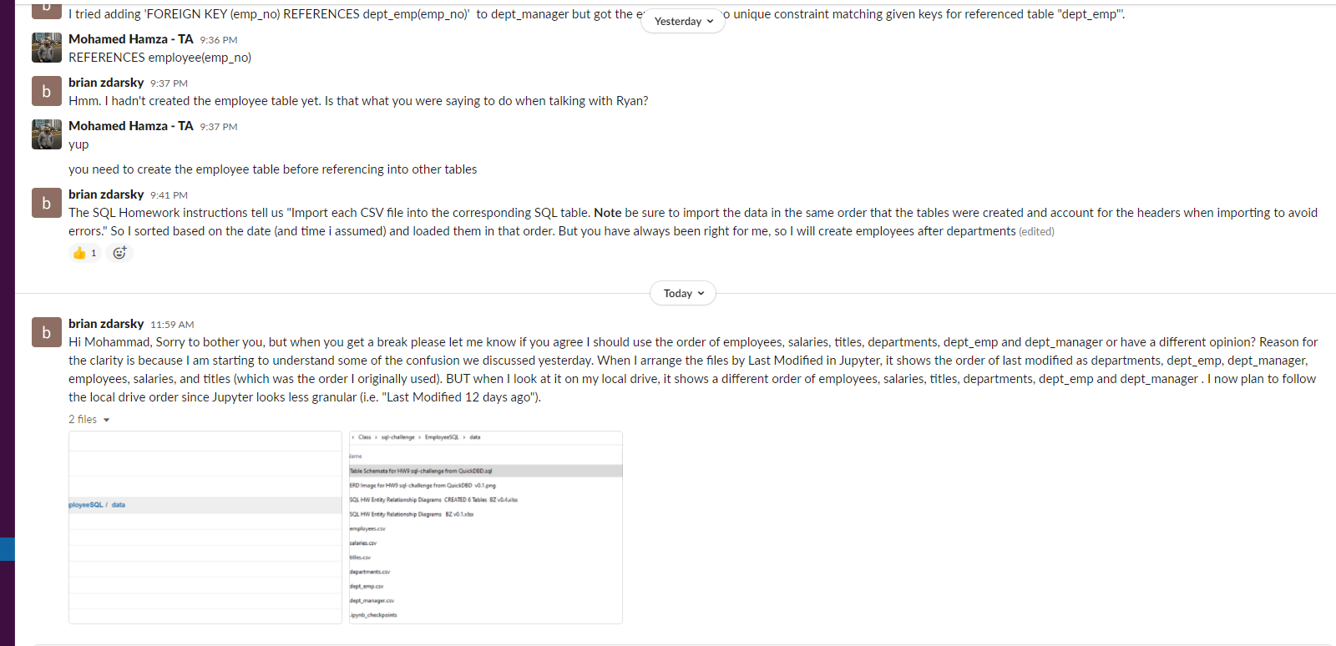
Note: See screenshot of Slack IM with Mohammad at bottom of 'code' that explains why I am redoing the order AGAIN
QuickDBD Schema Code | Data Type | Keys | Relationship

# Modify this code to update the DB schema diagram.
# To reset the sample schema, replace everything with
# two dots ('..' - without quotes).

titles
-
title_id VARCHAR PK | VARCHAR | PK
title VARCHAR | VARCHAR

employees
-
emp_no INTEGER PK | INTEGER | PK | Changed from FK to PK after Mohammd said move up employees to after departments
emp_title_id VARCHAR | VARCHAR |  | Removed PK after Mohammd said move up employees to after departments
birth_date VARCHAR | VARCHAR
first_name VARCHAR | VARCHAR
last_name VARCHAR | VARCHAR
sex VARCHAR | VARCHAR
hire_date VARCHAR | VARCHAR

salaries
-
emp_no INTEGER FK - employees.emp_no | INTEGER | FK | Removed FK - dept_emp.emp_no after getting error. Then changed to FK >- employees.emp_no after Mohammd said move up employees to after departments
salary INTEGER | INTEGER |  | Removed PK since many salaries the same amount

departments
-
dept_no VARCHAR PK | VARCHAR | PK
dept_name VARCHAR | VARCHAR

dept_emp
-
emp_no INTEGER FK >- employees.emp_no | INTEGER | FK | Removed PK after Mohammad helped me. Then changed to FK to employees after Mohammd said move up employees to after departments
dept_no VARCHAR FK >- departments.dept_no | VARCHAR | FK | >- departments.dept_no

dept_manager
-
dept_no VARCHAR FK >- departments.dept_no | VARCHAR | FK | >- departments.dept_no
emp_no INTEGER FK >- employees.emp_no | INTEGER | FK | Removed FK - dept_emp.emp_no after getting error. Then changed to FK >- employees.emp_no after Mohammd said move up employees to after departments

